Sheet1
Algorithms | Features | Rational for Picking the Feature (Feature Engineering) | Result (How well data points suggested a pattern, indicative of certain behavior and amount of anomalous significant data points?)
K-Means Clustering (Done by 08/03) | acList_PosTime (The time (at UTC in JavaScript ticks, UNIX epoch format in milliseconds) that the position was last reported by the aircraft) vs acList_Mlat (True if the latitude and longitude appear to have been calculated by an multilateration server and were not transmitted by the aircraft) | It was expected for the dataset to reveal a correlation between huge intervals of time tracked and the position calculated by the server, indicated by “True”. If there was a huge gap of time and confirmation that the position of the aircraft was calculated by an onboard server, the data point would reveal that the pilot was not manually logging the latitude and longitude of the position, and was thus using autopilot frequently. | -Expected there to be a correlation between huge intervals of time reported and the aircraft reporting if the latitude and longitude are calculated by the server (True). -If there was a huge gap of time with a “True” output, then the data may have shown that the pilot was not logging the latitude and longitude, further suggesting suspicious behavior in the aircraft -No clustering indicated any anomalous data or indication of such suspicious behavior.
 | acList_Mdl (A description of the aircraft’s model (Manufacturer included often)) vs acList_EngType (Type of engine the aircraft uses. 0 = None 1 = Piston 2 = Turboprop 3 = Jet 4 = Electric) | Plotting the model and engine type gives a specific picture into what kind of aircrafts each manufacture is associated with within the dataset. The ADS-B Exchange accumulates a large range of aircrafts, from commercial planes to fighter planes. By analyzing the manufacturer and engine placement, I can identify which manufacturer creates which type of plane. Outliers would reveal that a specific plane is different from the type of plane a manufacturer usually creates, with the potential of aircraft masking.
 | acList_TSecs (The number of seconds that the aircraft has been tracked for) vs acList_CMsgs (The count of messages received for the aircraft) | Pilots are expected to communicate frequently with Air Traffic Control, by sending messages from the aircraft. By plotting the feature pair, outliers of the plot would indicate that when certain planes were tracked for the same amount of time as other planes and sending less messages, those outlier planes could be spycrafts flying under a low radar.
Support Vector Regression (Done by 08/03) | acList_TSecs (The number of seconds that the aircraft has been tracked for) vs acList_CMsgs (The count of messages received for the aircraft) | Pilots are expected to communicate frequently with Air Traffic Control, by sending messages from the aircraft. By plotting the feature pair, outliers of the plot would indicate that when certain planes were tracked for the same amount of time as other planes and sending less messages, those outlier planes could be spycrafts flying under a low radar. | -Showed that as the number of seconds of tracking of the individual aircrafts increased, the number of messages received by the aircraft increased. -An anomaly is defined as an aircraft tracked for a relatively longer amount of time sent fewer messages than an aircraft tracked for a shorter amount of time. -Aircraft with registration number N809AW was tracked for 1149 seconds and sent a total of 23 messages to the air traffic control center (ground base). In comparison, to aircraft N125HD, which was tracked for 802 seconds sent 323 messages to the ATCC. In addition, aircraft N4403N was tracked for 1149 seconds just like N809AW, yet sent 143 messages to the ATCC. | 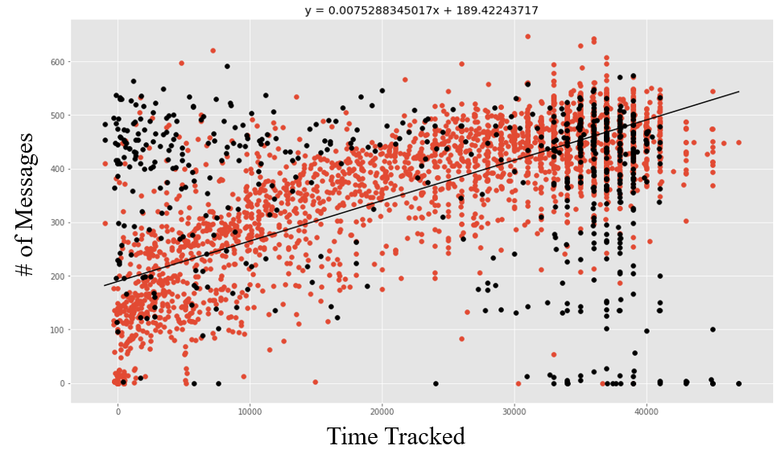
 | acList_Mdl (A description of the aircraft’s model (Manufacturer included often)) vs acList_EngType (Type of engine the aircraft uses. 0 = None 1 = Piston 2 = Turboprop 3 = Jet 4 = Electric) | Plotting the model and engine type gives a specific picture into what kind of aircrafts each manufacture is associated with within the dataset. The ADS-B Exchange accumulates a large range of aircrafts, from commercial planes to fighter planes. By analyzing the manufacturer and engine placement, I can identify which manufacturer creates which type of plane. Outliers would reveal that a specific plane is different from the type of plane a manufacturer usually creates, with the potential of aircraft masking. |  | 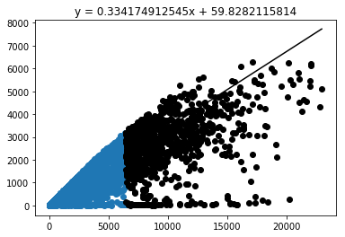
 | acList__Spd (Ground speed in knots) vs acList_Alt (The altitude in feet at standard pressure.) |  |  | 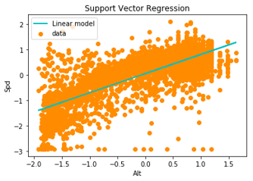
 | acList_PosTime (The time (at UTC in JavaScript ticks, UNIX epoch format in milliseconds) that the position was last reported by the aircraft) vs acList_Mlat (True if the latitude and longitude appear to have been calculated by an multilateration server and were not transmitted by the aircraft) | It was expected for the dataset to reveal a correlation between huge intervals of time tracked and the position calculated by the server, indicated by “True”. If there was a huge gap of time and confirmation that the position of the aircraft was calculated by an onboard server, the data point would reveal that the pilot was not manually logging the latitude and longitude of the position, and was thus using autopilot frequently.
DBSCAN (Density-based spatial clustering of applications with noise) (Done by August 07) | acList__Spd (Ground speed in knots) vs acList__EngMount (Placement of engines on the aircraft. 0 = Unknown 1 = Aft Mounted 2 = Wing Buried 3 = Fuselage Buried 4 = Nose Mounted 5 = Wing Mounted) |  | -Expected to find a pattern indicating that a certain engine placement on aircrafts affected the ground speed, which would be recognized through clusters with similar characteristics. -There was no distinct clusters indicating a relationship between engine placement and ground speed, as the majority of the points were scattered.
 | acList_PosTime (The time (at UTC in JavaScript ticks, UNIX epoch format in milliseconds) that the position was last reported by the aircraft) vs acList_Mlat (True if the latitude and longitude appear to have been calculated by an multilateration server and were not transmitted by the aircraft) | It was expected for the dataset to reveal a correlation between huge intervals of time tracked and the position calculated by the server, indicated by “True”. If there was a huge gap of time and confirmation that the position of the aircraft was calculated by an onboard server, the data point would reveal that the pilot was not manually logging the latitude and longitude of the position, and was thus using autopilot frequently. | -Expected there to be a correlation between huge intervals of time reported and the aircraft reporting if the latitude and longitude are calculated by the server (True). -If there was a huge gap of time with a “True” output, then the data may have shown that the pilot was not logging the latitude and longitude, further suggesting suspicious behavior in the aircraft -No clustering indicated any significant anomalous data or indication of such suspicious behavior. | 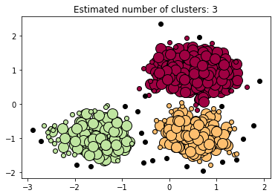
 | acList_Mdl (A description of the aircraft’s model (Manufacturer included often)) vs acList_EngType (Type of engine the aircraft uses. 0 = None 1 = Piston 2 = Turboprop 3 = Jet 4 = Electric) | Plotting the model and engine type gives a specific picture into what kind of aircrafts each manufacture is associated with within the dataset. The ADS-B Exchange accumulates a large range of aircrafts, from commercial planes to fighter planes. By analyzing the manufacturer and engine placement, I can identify which manufacturer creates which type of plane. Outliers would reveal that a specific plane is different from the type of plane a manufacturer usually creates, with the potential of aircraft masking.
 | acList_TSecs (The number of seconds that the aircraft has been tracked for) vs acList_CMsgs (The count of messages received for the aircraft) | Pilots are expected to communicate frequently with Air Traffic Control, by sending messages from the aircraft. By plotting the feature pair, outliers of the plot would indicate that when certain planes were tracked for the same amount of time as other planes and sending less messages, those outlier planes could be spycrafts flying under a low radar. | -Expected there to be clusters of airplanes following a certain interval of time for the TSecs feature (x-axis) as shown -However, there are clearly a few outliers indicated by not only the black dots, but the black dots that are distant from the cluster (Example: point at (-0.6, 0.7)) | 